Document History
국민대학교 종합정보시스템 구축
업무기능분해도
Document History

No | Version | Change Date | Change Cause | Change Description | Author | Approver
1 | v1.0 | 10-02-2016 | new | Initial | Application Team | K.H.Ryu

SIT-OMC-MAO-01
▣ Scenario SIT-OMC-MAO-01

Telematics
OVMC
001. Driver login
▶ Desc & Flow
Description |  | Login Management for driving
Biz flow

▶ Advance preparation
Preparation |  | OVMC

▶ Data
NO | Item | 1 | 2 | 3 | 4 | 5
1 | N/A

001
▶ Test Case SIT-OMC-MAO-01-001 : Driver login

1. Test Scenario
Test date |  | 1st |  | Tester |  | 1st
 |  | 2nd |  |  |  | 2nd
 |  | 3rd |  |  |  | 3rd

Driver Log-in automatically
If Driver ID empty?
No
Yes
Driver Log-in manually
Description |  | Driver login |  |  |  |  | Written by |  | KIM J.E.
Flow

NO | Task | Test data | Expected result | Person in charge | Result |  | Pass/Fail |  |  | Remark
 |  |  |  |  |  |  | 1st | 2nd | 3rd
1 | [Driver Log-In manually] -. Input driver ID and PIN -. Select the driving line | Driver ID and PIN | Log-In OK | KIM J.E. | 1st |  |  |  |  | Test Data:A
 |  |  |  |  | 2nd
 |  |  |  |  | 3rd
2 | [Driver Log-In by driver card] -. Tap the dirver card on OVMC -. Show the screen of selection route -. Show the screen of ready to drive | Driver card | Log-In OK | KIM J.E. | 1st |  |  |  |  | Test Data:B
 |  |  |  |  | 2nd
 |  |  |  |  | 3rd

2. Test Data
NO | Item | Value
A | 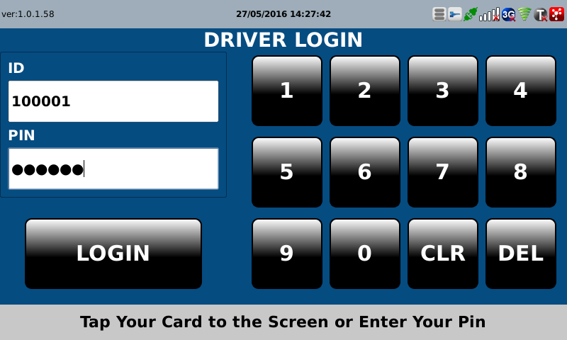 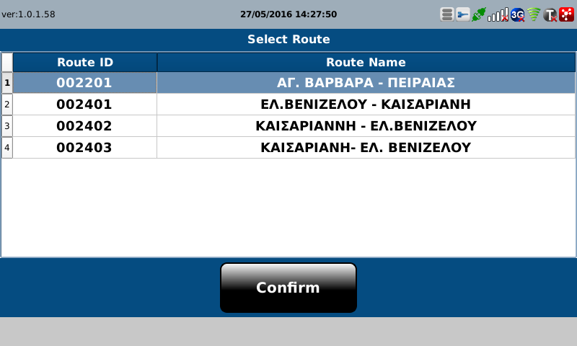

B | 